Original
List of what's shown in Kubeflow notebooks 2.0 & RHOAI, related to Workspaces/Workbenches:

Kubeflow notebooks 2.0 | Workspaces' page | Workspaces table | Table columns | Name | 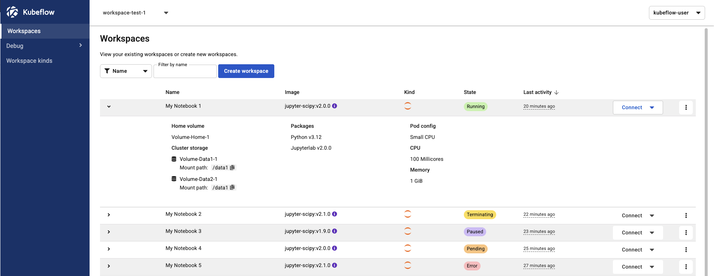
 |  |  |  | Image
 |  |  |  | Kind
 |  |  |  | State(=status)
 |  |  |  | Last activity
 |  |  |  | (Connect action to the IDE)
 |  |  | Kebab menu | View details
 |  |  |  | Edit
 |  |  |  | Delete
 |  |  |  | Stop
 |  |  |  | Restart
 |  |  | Expandable section | Home volume
 |  |  |  | Cluster storage
 |  |  |  | Packages
 |  |  |  | Pod config
 |  |  |  | CPU
 |  |  |  | Memory
 |  | Workspace Drawer | Actions | Edit | 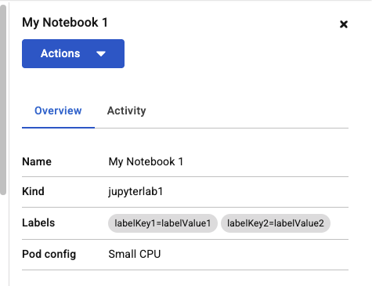 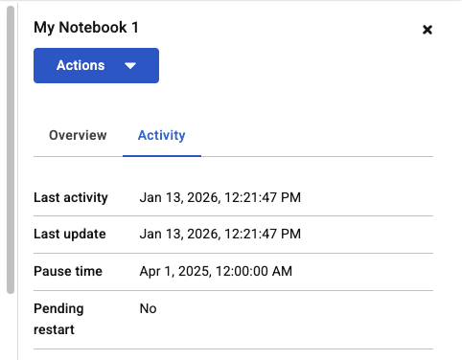
 |  |  |  | Delete
 |  |  | Overview (tab) | Name
 |  |  |  | Kind
 |  |  |  | Labels
 |  |  |  | Pod config
 |  |  | Activity (tab) | Last activity
 |  |  |  | Last update
 |  |  |  | Pause time
 |  |  |  | Pending restart
 |  |  | *Logs (tab) is currently hidden because its not fully supported
 |  |  | *Pod (tab) is currently hidden because its not fully supported
 | Workspace kinds' page | Workspaces table | Table columns | Name
 |  |  |  | Description
 |  |  |  | Status
 |  |  |  | Workspaces
 |  |  | Kebab menu | View details
 |  |  |  | Edit
 |  | Workspace Drawer | Overview (tab) | Name | 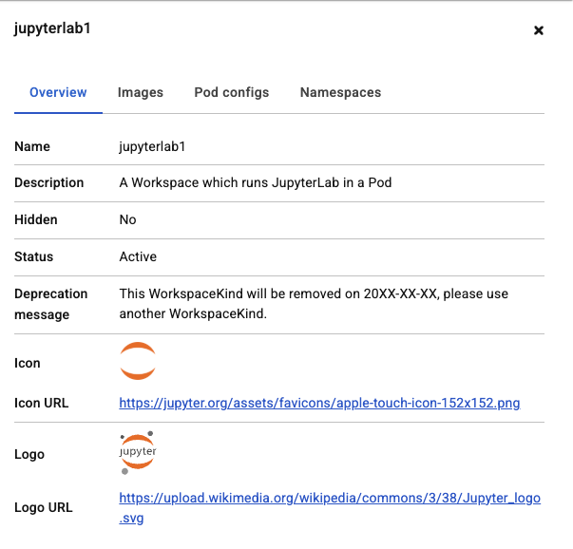 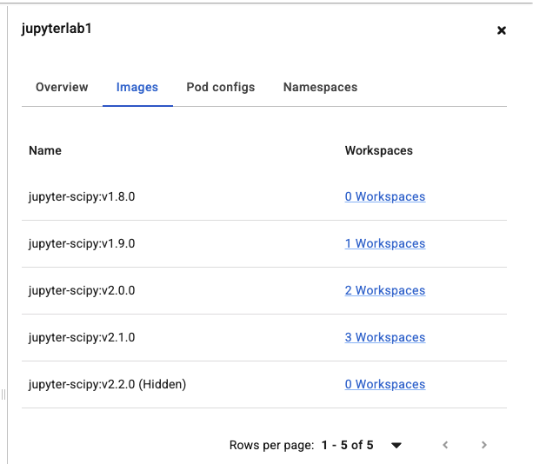 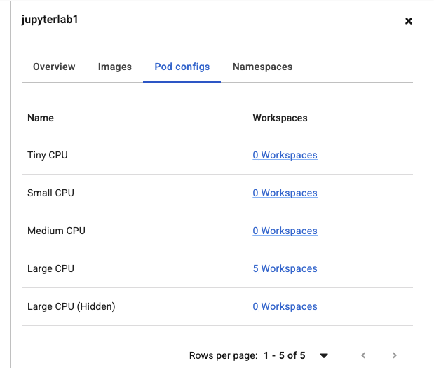
 |  |  |  | Description
 |  |  |  | Hidden
 |  |  |  | Status
 |  |  |  | Icon + URL (?)
 |  |  |  | Logo + URL (?)
 |  |  | Images (tab) | Name (column)
 |  |  |  | Workspaces (column)
 |  |  | Pod configs (tab) | Name (column)
 |  |  |  | Workspaces (column)
 |  |  | Namespaces (tab) | Name (column)
 |  |  |  | Workspaces (column)
RHOAI (current implementation) | Workbenches' page | Workbenches table | Table columns | Name + external link + (?) icon
 |  |  |  | Workbench image
 |  |  |  | Hardware profile
 |  |  |  | Status
 |  |  |  | Action (Stop/Start)
 |  |  | Kebab menu | Edit workbench
 |  |  |  | Delete workbench
 |  |  | Expandable section | Cluster storage
 |  |  |  | Packages
 |  |  |  | Limits (CPU + Memory)
 |  |  |  | Requests (CPU + Memory)
 |  | Workspace Drawer | *Not exists | -

